Pivot Table 3
AVERAGE of imdb_rating vs. content_type


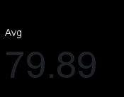
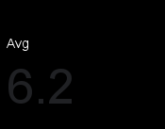





Content type Content Count
Investment vs Return

Dashboard
NETFLIX

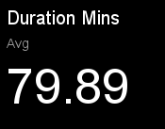
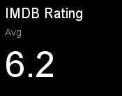



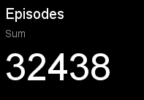

Content type wise Content Count
 | Total IDs
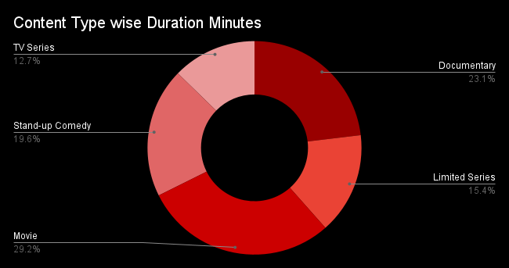

AVERAGE of imdb_rating vs. content_type
Investment vs Return
Country wise Invest vs Return

